Sheet1
STYLE NAME | COLOUR |  | UK 3 EU 36 | UK 4 EU 37 | UK 5 EU 38 | UK 6 EU 39 | UK 7 EU 40 | UK 8 EU 41 | TTL | PRE PACK / CTN QTY | RATIO
COSY 1 | TAN MICRO | 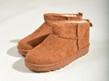 | 239 | 426 | 596 | 395 | 308 | 202 | 2166 | BLOCK SIZED & PRE PACK | PRE PACK RATIO (3/2 4/4 5/6 6/6 7/4 8/2) = 24
COSY 1 | MOCHA MICRO | 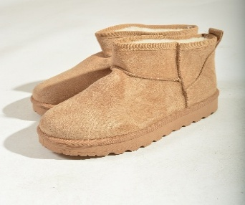 | 104 | 262 | 172 | 239 | 139 | 75 | 991 | BLOCK SIZED
COSY 1 | KHAKI MICRO | 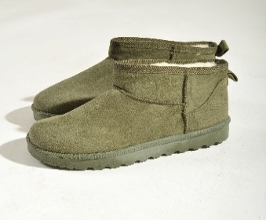 | 10 | 37 | 78 | 40 |  |  | 165 | BLOCK SIZED
COSY 1 | BROWN MICRO |  | 9 | 22 |  |  |  |  | 31 | BLOCK SIZED
COSY 1 | PINK MICRO | 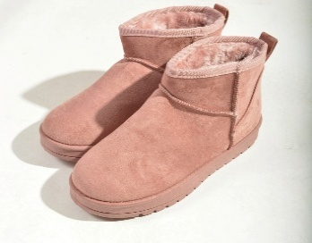 | 20 | 40 | 76 | 74 | 40 | 20 | 270 | PRE PACK & BLOCK SIZED | PRE PACK RATIO (3/2 4/4 5/6 6/6 7/4 8/2) = 24
COZY 2 | PINK MICRO | 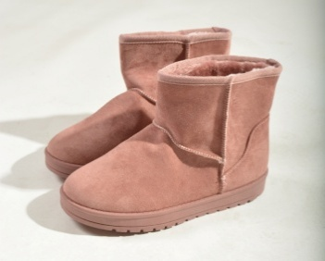 | 20 | 40 | 87 | 68 | 40 | 20 | 275 | 6X24, 4X28, 2 BLOCK SIZED | PRE PACK RATIO (3/2 4/4 5/6 6/6 7/4 8/2) = 24 PRE PACK RATIO (3/2 4/4 5/8 6/8 7/4 8/2) = 28 & BLOCKED
COZY 2 | BEIGE | 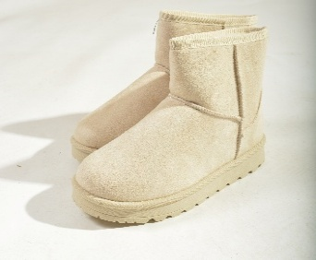 | 20 | 67 | 118 | 99 | 70 | 26 | 400 | BLOCK SIZED
COZY 2 | KHAKI MICRO |  |  | 1 |  | 1 |  |  | 2 | BLOCK SIZED
COSY 2 | TAN MICRO | 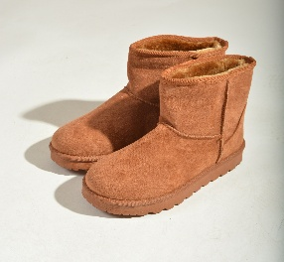 | 40 | 71 | 84 | 86 | 57 | 28 | 366 | BLOCK SIZED & PRE PACK | PRE PACK RATIO (3/2 4/4 5/6 6/6 7/4 8/2) = 24
COSY 2 | MOCHA |  |  |  | 1 | 2 | 2 |  | 5
KOBI II | TAN MICRO | 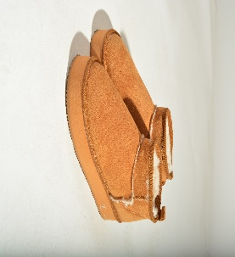 | 53 | 85 | 171 | 173 | 86 | 42 | 610 | 41x14 1X13 | PRE PACK (3/1 4/2 5/4 6/4 7/2 8/1) = 14
KOBI II | MOCHA | 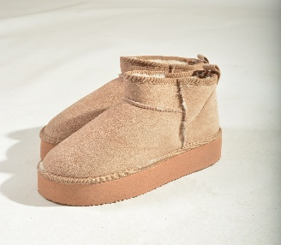 | 7 | 14 | 31 | 29 | 14 | 7 | 102 | 7X14 1X4 | PRE PACK (3/1 4/2 5/4 6/4 7/2 8/1) = 14
KOBI 91 | BLACK FUR | 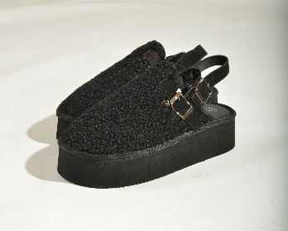 | 7 | 14 | 28 | 28 | 14 | 7 | 98 | 7X14 | PRE PACK (3/1 4/2 5/4 6/4 7/2 8/1) = 14
KOBI 90 | BLACK SUEDE | 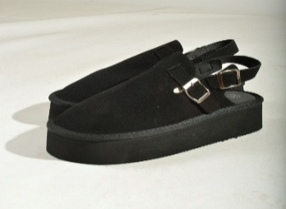 | 16 | 33 | 64 | 66 | 34 | 15 | 228 | 12X14 | PRE PACK (3/1 4/2 5/4 6/4 7/2 8/1) = 14
MOBI 4 | PINK MICRO | 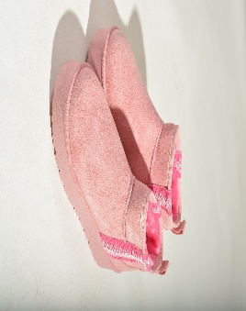 | 5 | 10 | 15 | 15 | 10 | 5 | 60 |  | PRE PACK RATIO (3/1 4/2 5/3 6/3 7/2 8/1)=12
MOBI 1 | MOCHA MICRO | 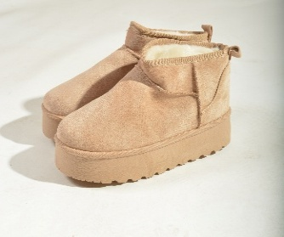 | 9 | 21 | 24 | 24 | 29 | 8 | 115 | 11X12 & BLOCK SIZED | PRE PACK RATIO (3/1 4/2 5/3 6/3 7/2 8/1)=12
MOBI 1 | TAN MICRO | 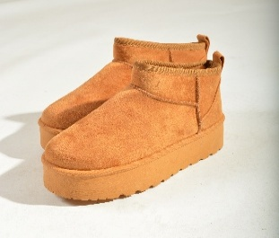 | 24 | 59 | 71 | 93 | 60 | 21 | 328 | 24X12 & BLOCK SIZED | PRE PACK RATIO (3/1 4/2 5/3 6/3 7/2 8/1)=12
 |  |  |  |  |  |  |  |  | 6212

